Graphical Flow
AREA RESTORE1
Open Order / Notification Exists (Premise)
LEGEND
Keyword List
Scenario
Check for open orders using the keyword notification code
Scenario | Keyword ID | Order Code | Notif Code | Long Text Pre-Fill | Keyword Text AREA RESTORE1 | AR0000 | | ZARP | LAWN / STREET REPAIR | LAWN / YARD / REPAIR / BROKEN PAVEMENT / RUTS / TRENCHES / DAMAGE /CLEANUP / CLEAN UP / CONCRETE
View
Pop-up
ZSO_ENH 010
Open Order Exists
!
TRUE
FALSE
Popup
Override
Popup With Override
CallerInfoEF V1
Caller Info
CallerInfoEF [Caller Type Radiobutton and Inputbox]
Based on the answer, do the following:
- 911: add "Caller Type = 911"
- Internal : add "Caller Type = Internal/[Caller Type Inputbox Text]"
- Other: add "Caller Type = Other/[Caller Type Inputbox Text]"
Error Message
!
Warning Message
Is Premise Confirmed?
Attribute / Data Object / UI Method Call
Set / Return Attribute Back to UI
FALSE
TRUE
NonPremiseSLEF
Non-Prem-Service Location Entry
Switch Tree
Sub-Tree
RestoreRequirementsEF
Surface that needs restoration
Create Notification Only
Create Notification and Order
Available Energy Type
Add to System Text
Comment
ResultOfStormActivityEF
Is this restorarion the result of a storm?
ELECTRIC --OR-- COMBO
GAS
NONE
ZSO_ENH 013
Consumers is not the service provider

ZSO_ENH 500
CE does not provide clean up after a storm
Yes / TRUE
No / FALSE
TextEF V1
Long Text
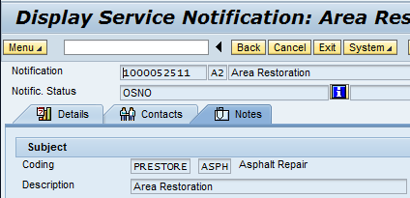
Add the following coding group and code to the "Notes" tab of the notification:
Coding Group: PRESTORE (Property Restoration Requirements)
Code: one of the following based on the radiobutton selection from the RestoreRequirementsEF view:
- ASPH (Asphalt Repair)
- CONC (Concrete Repair)
- LAWN (Lawn Repair)

Area Restoration
SummaryEF NoSched-Investigate
Generic - Not Scheduled - Investigate

